Charts
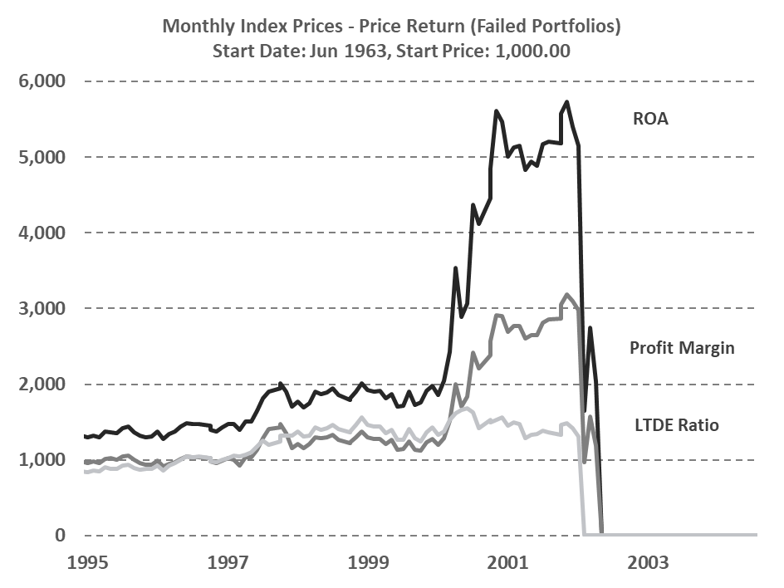
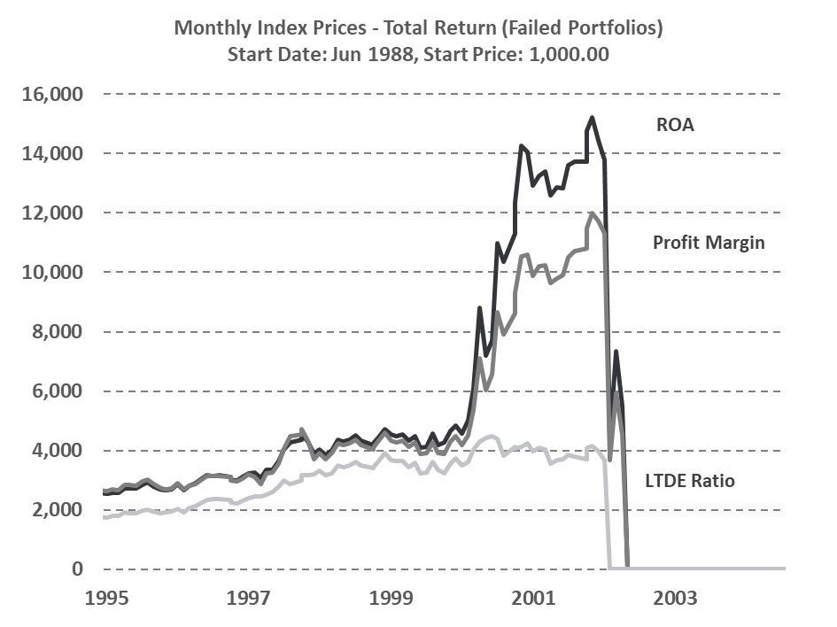
Monthly Index Prices - Price Return Start Date: Jun 1963, Start Price: 1,000.00
 | Market Cap | ROA | ROIC | ROCE | Gross Margin | Profit Margin | EBITDA Margin | Curr Ratio | LTDE Ratio | Price
1963-06-29 | 1000.00 | 1000.00 | 1000.00 | 1000.00 | 1000.00 | 1000.00 | 1000.00 | 1000.00 | 1000.00 | 1000.00
1963-07-29 | 1012.99 | 1014.78 | 1010.20 | 1008.40 | 1015.33 | 1016.17 | 1015.33 | 1018.89 | 1018.12 | 1006.61
1963-08-29 | 1055.70 | 1045.85 | 1041.69 | 1039.55 | 1048.76 | 1050.08 | 1048.76 | 1045.75 | 1048.54 | 1035.09
1963-09-29 | 1012.86 | 1009.06 | 1009.83 | 1008.00 | 1011.13 | 1012.18 | 1011.13 | 1013.17 | 1010.22 | 1006.26
1963-10-29 | 999.38 | 997.85 | 997.69 | 995.18 | 999.53 | 1000.35 | 999.53 | 1006.91 | 1002.29 | 999.86
1963-11-29 | 980.74 | 976.25 | 979.72 | 977.13 | 978.87 | 979.61 | 978.87 | 982.91 | 980.32 | 981.02
1963-12-29 | 1006.83 | 1003.84 | 1006.24 | 1004.08 | 1007.90 | 1008.58 | 1007.90 | 1008.44 | 1008.06 | 999.35
1964-01-29 | 1014.52 | 1003.97 | 1008.02 | 1005.23 | 1009.04 | 1009.69 | 1009.04 | 1008.70 | 1009.51 | 1002.95
1964-02-29 | 1020.81 | 1021.05 | 1025.02 | 1023.48 | 1025.82 | 1026.88 | 1025.82 | 1023.22 | 1023.15 | 1010.21
1964-03-29 | 993.22 | 990.92 | 998.29 | 996.27 | 995.75 | 996.62 | 995.75 | 996.87 | 994.26 | 987.20
1964-04-29 | 1009.50 | 1011.68 | 1018.54 | 1017.50 | 1015.69 | 1016.34 | 1015.69 | 1013.65 | 1012.16 | 1001.08
1964-05-29 | 1002.26 | 1011.46 | 1016.34 | 1017.56 | 1014.85 | 1015.05 | 1014.85 | 1009.93 | 1008.84 | 1007.05
1964-06-29 | 1017.40 | 1024.99 | 1032.75 | 1032.47 | 1029.73 | 1030.22 | 1029.73 | 1030.92 | 1025.85 | 1031.06
1964-07-29 | 1064.66 | 1075.76 | 1075.83 | 1077.40 | 1074.88 | 1081.37 | 1074.88 | 1074.39 | 1067.43 | 1077.73
1964-08-29 | 1059.48 | 1080.71 | 1079.11 | 1082.32 | 1077.37 | 1084.40 | 1077.37 | 1076.86 | 1068.39 | 1076.50
1964-09-29 | 1082.81 | 1098.51 | 1099.03 | 1098.80 | 1097.24 | 1104.16 | 1097.24 | 1106.14 | 1093.10 | 1101.24
1964-10-29 | 1095.00 | 1096.28 | 1101.62 | 1102.33 | 1101.82 | 1103.47 | 1101.82 | 1103.39 | 1089.20 | 1099.80
1964-11-29 | 1100.78 | 1109.18 | 1115.73 | 1115.68 | 1114.57 | 1115.76 | 1114.57 | 1116.62 | 1106.22 | 1107.20
1964-12-29 | 1109.53 | 1110.24 | 1127.95 | 1128.02 | 1123.91 | 1115.91 | 1123.91 | 1123.46 | 1113.39 | 1115.69
1965-01-29 | 1146.31 | 1149.75 | 1170.82 | 1171.26 | 1165.33 | 1154.84 | 1165.33 | 1165.82 | 1155.15 | 1155.31
1965-03-01 | 1139.35 | 1156.55 | 1166.26 | 1168.19 | 1161.37 | 1159.79 | 1161.37 | 1163.28 | 1154.57 | 1159.19
1965-03-29 | 1147.48 | 1173.10 | 1173.14 | 1174.72 | 1169.95 | 1176.79 | 1169.95 | 1178.14 | 1166.94 | 1167.39
1965-04-29 | 1153.07 | 1171.76 | 1171.32 | 1172.09 | 1169.89 | 1177.34 | 1169.89 | 1178.42 | 1163.62 | 1163.07
1965-05-29 | 1139.33 | 1153.76 | 1154.64 | 1156.74 | 1155.62 | 1160.68 | 1155.62 | 1160.69 | 1140.51 | 1151.64
1965-06-29 | 1088.39 | 1082.71 | 1115.88 | 1118.87 | 1112.66 | 1088.78 | 1112.66 | 1104.87 | 1085.87 | 1108.35
1965-07-29 | 1096.21 | 1097.70 | 1128.12 | 1127.75 | 1124.43 | 1102.79 | 1124.43 | 1119.13 | 1100.22 | 1117.05
1965-08-29 | 1094.48 | 1092.47 | 1124.29 | 1125.35 | 1120.81 | 1097.48 | 1120.81 | 1119.63 | 1098.47 | 1116.19
1965-09-29 | 1107.41 | 1106.87 | 1142.28 | 1142.78 | 1133.42 | 1111.62 | 1133.42 | 1130.86 | 1101.58 | 1133.16
1965-10-29 | 1117.62 | 1112.94 | 1150.58 | 1144.71 | 1138.42 | 1120.15 | 1138.42 | 1134.07 | 1109.13 | 1135.75
1965-11-29 | 1080.13 | 1077.74 | 1114.23 | 1112.06 | 1103.10 | 1084.12 | 1103.10 | 1089.39 | 1069.79 | 1106.56
1965-12-29 | 1073.86 | 1068.46 | 1103.18 | 1098.79 | 1093.38 | 1075.54 | 1093.38 | 1081.11 | 1063.29 | 1097.43
1966-01-29 | 1036.12 | 1046.15 | 1080.20 | 1075.99 | 1065.26 | 1048.12 | 1065.26 | 1057.40 | 1039.56 | 1069.53
1966-03-01 | 985.55 | 991.75 | 1020.72 | 1020.61 | 1012.02 | 994.26 | 1012.02 | 1004.38 | 982.03 | 1019.20
1966-03-29 | 980.73 | 989.64 | 1027.71 | 1025.61 | 1010.00 | 992.70 | 1010.00 | 1000.55 | 978.55 | 1015.53
1966-04-29 | 982.48 | 986.78 | 1026.02 | 1021.98 | 1009.30 | 994.07 | 1009.30 | 992.93 | 970.93 | 1008.12
1966-05-29 | 940.43 | 949.94 | 985.44 | 981.05 | 968.00 | 953.80 | 968.00 | 954.87 | 938.10 | 974.98
1966-06-29 | 917.98 | 920.43 | 955.30 | 949.93 | 940.62 | 927.28 | 940.62 | 929.72 | 907.42 | 946.22
1966-07-29 | 927.66 | 929.07 | 964.31 | 958.05 | 950.47 | 936.75 | 950.47 | 936.19 | 919.23 | 952.11
1966-08-29 | 828.38 | 837.54 | 870.02 | 865.99 | 852.81 | 839.83 | 852.81 | 843.62 | 825.35 | 872.38
1966-09-29 | 853.43 | 860.72 | 890.32 | 887.44 | 877.03 | 864.42 | 877.03 | 868.23 | 842.83 | 896.75
1966-10-29 | 951.03 | 945.08 | 980.26 | 975.94 | 966.98 | 953.73 | 966.98 | 947.49 | 929.23 | 983.03
1966-11-29 | 936.65 | 926.67 | 962.37 | 957.79 | 949.56 | 936.45 | 949.56 | 929.75 | 911.70 | 964.77
1966-12-29 | 954.77 | 943.13 | 981.97 | 978.68 | 966.17 | 952.96 | 966.17 | 939.81 | 923.80 | 979.15
1967-01-29 | 977.20 | 961.80 | 1001.09 | 996.31 | 986.61 | 972.86 | 986.61 | 970.59 | 944.37 | 1000.79
1967-03-01 | 949.95 | 943.23 | 982.07 | 977.39 | 966.01 | 951.93 | 966.01 | 946.95 | 930.62 | 977.78
1967-03-29 | 970.11 | 961.83 | 1001.65 | 996.54 | 986.28 | 972.70 | 986.28 | 967.85 | 947.85 | 996.19
1967-04-29 | 979.60 | 967.12 | 1007.94 | 1001.73 | 992.52 | 978.56 | 992.52 | 973.30 | 957.34 | 1001.94
1967-05-29 | 930.49 | 922.68 | 961.78 | 955.90 | 945.73 | 931.79 | 945.73 | 929.30 | 914.32 | 956.21
1967-06-29 | 919.31 | 913.62 | 949.36 | 944.22 | 935.20 | 922.06 | 935.20 | 923.29 | 901.57 | 944.71
1967-07-29 | 935.35 | 925.28 | 963.80 | 958.74 | 949.26 | 935.49 | 949.26 | 932.23 | 913.27 | 958.73
...
Monthly Index Prices - Total Return Start Date: Jun 1988, Start Price: 1,000.00
 | ROA |  | ROIC |  | ROCE |  | Gross Margin |  | Profit Margin |  | EBITDA Margin |  | Op CF Margin |  | Curr Ratio |  | LTDE Ratio |  | Market Cap
1988-06-29 | 1000.00 | 1988-06-29 | 1000.00 | 1988-06-29 | 1000.00 | 1988-06-29 | 1000.00 | 1988-06-29 | 1000.00 | 1988-06-29 | 1000.00 | 1988-06-29 | 1000.00 | 1988-06-29 | 1000.00 | 1988-06-29 | 1000.00 | 1988-06-29
1988-07-29 | 1009.34 | 1988-07-29 | 1029.41 | 1988-07-29 | 1024.79 | 1988-07-29 | 1006.05 | 1988-07-29 | 1003.33 | 1988-07-29 | 1006.05 | 1988-07-29 | 1010.13 | 1988-07-29 | 1019.16 | 1988-07-29 | 1005.17 | 1988-07-29
1988-08-29 | 977.88 | 1988-08-29 | 1007.98 | 1988-08-29 | 1000.45 | 1988-08-29 | 987.83 | 1988-08-29 | 978.32 | 1988-08-29 | 987.83 | 1988-08-29 | 996.17 | 1988-08-29 | 990.10 | 1988-08-29 | 985.30 | 1988-08-29
1988-09-29 | 1020.87 | 1988-09-29 | 1040.16 | 1988-09-29 | 1031.40 | 1988-09-29 | 1016.91 | 1988-09-29 | 1022.31 | 1988-09-29 | 1016.91 | 1988-09-29 | 1026.28 | 1988-09-29 | 1015.26 | 1988-09-29 | 1005.36 | 1988-09-29
1988-10-29 | 1046.34 | 1988-10-29 | 1075.62 | 1988-10-29 | 1067.46 | 1988-10-29 | 1042.78 | 1988-10-29 | 1048.51 | 1988-10-29 | 1042.78 | 1988-10-29 | 1056.20 | 1988-10-29 | 1046.82 | 1988-10-29 | 1034.39 | 1988-10-29
1988-11-29 | 1049.18 | 1988-11-29 | 1081.05 | 1988-11-29 | 1071.15 | 1988-11-29 | 1040.40 | 1988-11-29 | 1046.95 | 1988-11-29 | 1040.40 | 1988-11-29 | 1053.88 | 1988-11-29 | 1051.99 | 1988-11-29 | 1032.54 | 1988-11-29
1988-12-29 | 1056.81 | 1988-12-29 | 1084.30 | 1988-12-29 | 1076.58 | 1988-12-29 | 1054.25 | 1988-12-29 | 1060.44 | 1988-12-29 | 1054.25 | 1988-12-29 | 1066.33 | 1988-12-29 | 1057.52 | 1988-12-29 | 1040.12 | 1988-12-29
1989-01-29 | 1078.75 | 1989-01-29 | 1116.64 | 1989-01-29 | 1107.74 | 1989-01-29 | 1088.00 | 1989-01-29 | 1080.93 | 1989-01-29 | 1088.00 | 1989-01-29 | 1092.85 | 1989-01-29 | 1093.53 | 1989-01-29 | 1072.57 | 1989-01-29
1989-03-01 | 1065.35 | 1989-03-01 | 1079.87 | 1989-03-01 | 1069.42 | 1989-03-01 | 1058.39 | 1989-03-01 | 1067.36 | 1989-03-01 | 1058.39 | 1989-03-01 | 1061.02 | 1989-03-01 | 1059.47 | 1989-03-01 | 1038.08 | 1989-03-01
1989-03-29 | 1097.10 | 1989-03-29 | 1102.89 | 1989-03-29 | 1092.46 | 1989-03-29 | 1073.74 | 1989-03-29 | 1094.17 | 1989-03-29 | 1073.74 | 1989-03-29 | 1076.10 | 1989-03-29 | 1079.55 | 1989-03-29 | 1047.60 | 1989-03-29
1989-04-29 | 1134.28 | 1989-04-29 | 1155.91 | 1989-04-29 | 1142.26 | 1989-04-29 | 1115.56 | 1989-04-29 | 1130.75 | 1989-04-29 | 1115.56 | 1989-04-29 | 1121.45 | 1989-04-29 | 1125.13 | 1989-04-29 | 1091.23 | 1989-04-29
1989-05-29 | 1182.37 | 1989-05-29 | 1209.83 | 1989-05-29 | 1196.31 | 1989-05-29 | 1169.27 | 1989-05-29 | 1178.43 | 1989-05-29 | 1169.27 | 1989-05-29 | 1174.93 | 1989-05-29 | 1179.98 | 1989-05-29 | 1145.07 | 1989-05-29
1989-06-29 | 1246.32 | 1989-06-29 | 1276.64 | 1989-06-29 | 1260.48 | 1989-06-29 | 1228.98 | 1989-06-29 | 1243.69 | 1989-06-29 | 1228.98 | 1989-06-29 | 1235.93 | 1989-06-29 | 1239.14 | 1989-06-29 | 1201.85 | 1989-06-29
1989-07-29 | 1316.12 | 1989-07-29 | 1353.18 | 1989-07-29 | 1345.73 | 1989-07-29 | 1305.08 | 1989-07-29 | 1314.28 | 1989-07-29 | 1305.08 | 1989-07-29 | 1319.21 | 1989-07-29 | 1311.18 | 1989-07-29 | 1292.45 | 1989-07-29
1989-08-29 | 1292.12 | 1989-08-29 | 1323.11 | 1989-08-29 | 1314.36 | 1989-08-29 | 1285.20 | 1989-08-29 | 1291.30 | 1989-08-29 | 1285.20 | 1989-08-29 | 1295.55 | 1989-08-29 | 1293.60 | 1989-08-29 | 1278.14 | 1989-08-29
1989-09-29 | 1295.19 | 1989-09-29 | 1317.91 | 1989-09-29 | 1307.44 | 1989-09-29 | 1294.90 | 1989-09-29 | 1300.53 | 1989-09-29 | 1294.90 | 1989-09-29 | 1302.11 | 1989-09-29 | 1297.64 | 1989-09-29 | 1287.17 | 1989-09-29
1989-10-29 | 1322.38 | 1989-10-29 | 1340.62 | 1989-10-29 | 1331.35 | 1989-10-29 | 1320.16 | 1989-10-29 | 1329.61 | 1989-10-29 | 1320.16 | 1989-10-29 | 1325.69 | 1989-10-29 | 1322.75 | 1989-10-29 | 1313.44 | 1989-10-29
1989-11-29 | 1364.98 | 1989-11-29 | 1389.79 | 1989-11-29 | 1382.87 | 1989-11-29 | 1358.14 | 1989-11-29 | 1364.77 | 1989-11-29 | 1358.14 | 1989-11-29 | 1366.58 | 1989-11-29 | 1368.63 | 1989-11-29 | 1351.95 | 1989-11-29
1989-12-29 | 1436.15 | 1989-12-29 | 1465.36 | 1989-12-29 | 1455.02 | 1989-12-29 | 1418.47 | 1989-12-29 | 1428.73 | 1989-12-29 | 1418.47 | 1989-12-29 | 1424.86 | 1989-12-29 | 1439.56 | 1989-12-29 | 1411.84 | 1989-12-29
1990-01-29 | 1366.58 | 1990-01-29 | 1397.03 | 1990-01-29 | 1388.68 | 1990-01-29 | 1350.96 | 1990-01-29 | 1356.78 | 1990-01-29 | 1350.96 | 1990-01-29 | 1358.64 | 1990-01-29 | 1372.52 | 1990-01-29 | 1345.38 | 1990-01-29
1990-03-01 | 1361.87 | 1990-03-01 | 1387.45 | 1990-03-01 | 1380.76 | 1990-03-01 | 1346.33 | 1990-03-01 | 1353.65 | 1990-03-01 | 1346.33 | 1990-03-01 | 1350.85 | 1990-03-01 | 1364.95 | 1990-03-01 | 1336.28 | 1990-03-01
1990-03-29 | 1328.21 | 1990-03-29 | 1352.55 | 1990-03-29 | 1349.32 | 1990-03-29 | 1318.94 | 1990-03-29 | 1321.30 | 1990-03-29 | 1318.94 | 1990-03-29 | 1323.95 | 1990-03-29 | 1331.36 | 1990-03-29 | 1307.92 | 1990-03-29
1990-04-29 | 1250.16 | 1990-04-29 | 1278.07 | 1990-04-29 | 1275.77 | 1990-04-29 | 1242.26 | 1990-04-29 | 1240.06 | 1990-04-29 | 1242.26 | 1990-04-29 | 1245.01 | 1990-04-29 | 1256.58 | 1990-04-29 | 1234.53 | 1990-04-29
1990-05-29 | 1310.85 | 1990-05-29 | 1336.19 | 1990-05-29 | 1331.02 | 1990-05-29 | 1300.61 | 1990-05-29 | 1299.21 | 1990-05-29 | 1300.61 | 1990-05-29 | 1301.67 | 1990-05-29 | 1314.86 | 1990-05-29 | 1290.74 | 1990-05-29
1990-06-29 | 1321.46 | 1990-06-29 | 1340.57 | 1990-06-29 | 1335.08 | 1990-06-29 | 1315.20 | 1990-06-29 | 1316.61 | 1990-06-29 | 1315.20 | 1990-06-29 | 1313.17 | 1990-06-29 | 1321.76 | 1990-06-29 | 1295.41 | 1990-06-29
1990-07-29 | 1371.63 | 1990-07-29 | 1327.13 | 1990-07-29 | 1327.95 | 1990-07-29 | 1307.03 | 1990-07-29 | 1355.04 | 1990-07-29 | 1307.03 | 1990-07-29 | 1319.50 | 1990-07-29 | 1321.26 | 1990-07-29 | 1257.16 | 1990-07-29
1990-08-29 | 1285.27 | 1990-08-29 | 1230.53 | 1990-08-29 | 1233.35 | 1990-08-29 | 1214.17 | 1990-08-29 | 1268.73 | 1990-08-29 | 1214.17 | 1990-08-29 | 1236.94 | 1990-08-29 | 1221.63 | 1990-08-29 | 1153.02 | 1990-08-29
1990-09-29 | 1316.65 | 1990-09-29 | 1254.88 | 1990-09-29 | 1256.87 | 1990-09-29 | 1218.46 | 1990-09-29 | 1286.79 | 1990-09-29 | 1218.46 | 1990-09-29 | 1244.05 | 1990-09-29 | 1242.73 | 1990-09-29 | 1152.60 | 1990-09-29
1990-10-29 | 1462.85 | 1990-10-29 | 1358.91 | 1990-10-29 | 1371.07 | 1990-10-29 | 1331.44 | 1990-10-29 | 1429.90 | 1990-10-29 | 1331.44 | 1990-10-29 | 1377.44 | 1990-10-29 | 1343.91 | 1990-10-29 | 1233.87 | 1990-10-29
1990-11-29 | 1462.20 | 1990-11-29 | 1365.61 | 1990-11-29 | 1379.12 | 1990-11-29 | 1345.00 | 1990-11-29 | 1434.13 | 1990-11-29 | 1345.00 | 1990-11-29 | 1386.03 | 1990-11-29 | 1351.37 | 1990-11-29 | 1251.47 | 1990-11-29
1990-12-29 | 1463.29 | 1990-12-29 | 1370.78 | 1990-12-29 | 1387.54 | 1990-12-29 | 1362.22 | 1990-12-29 | 1443.46 | 1990-12-29 | 1362.22 | 1990-12-29 | 1405.44 | 1990-12-29 | 1358.13 | 1990-12-29 | 1269.08 | 1990-12-29
1991-01-29 | 1454.92 | 1991-01-29 | 1352.40 | 1991-01-29 | 1372.22 | 1991-01-29 | 1359.14 | 1991-01-29 | 1440.43 | 1991-01-29 | 1359.14 | 1991-01-29 | 1406.70 | 1991-01-29 | 1348.71 | 1991-01-29 | 1262.35 | 1991-01-29
1991-03-01 | 1486.66 | 1991-03-01 | 1404.96 | 1991-03-01 | 1423.10 | 1991-03-01 | 1416.64 | 1991-03-01 | 1479.09 | 1991-03-01 | 1416.64 | 1991-03-01 | 1461.19 | 1991-03-01 | 1400.29 | 1991-03-01 | 1327.53 | 1991-03-01
1991-03-29 | 1535.19 | 1991-03-29 | 1444.46 | 1991-03-29 | 1466.00 | 1991-03-29 | 1460.06 | 1991-03-29 | 1525.92 | 1991-03-29 | 1460.06 | 1991-03-29 | 1505.41 | 1991-03-29 | 1450.92 | 1991-03-29 | 1368.21 | 1991-03-29
1991-04-29 | 1522.56 | 1991-04-29 | 1415.01 | 1991-04-29 | 1440.75 | 1991-04-29 | 1432.22 | 1991-04-29 | 1509.53 | 1991-04-29 | 1432.22 | 1991-04-29 | 1484.26 | 1991-04-29 | 1417.22 | 1991-04-29 | 1331.12
1991-05-29 | 1543.79 | 1991-05-29 | 1441.35 | 1991-05-29 | 1462.19 | 1991-05-29 | 1438.44 | 1991-05-29 | 1517.77 | 1991-05-29 | 1438.44 | 1991-05-29 | 1488.01 | 1991-05-29 | 1440.61 | 1991-05-29 | 1344.99
1991-06-29 | 1497.32 | 1991-06-29 | 1381.83 | 1991-06-29 | 1408.12 | 1991-06-29 | 1385.12 | 1991-06-29 | 1465.53 | 1991-06-29 | 1385.12 | 1991-06-29 | 1428.97 | 1991-06-29 | 1384.87 | 1991-06-29 | 1288.31
1991-07-29 | 1712.40 | 1991-07-29 | 3245.08 | 1991-07-29 | 1563.60 | 1991-07-29 | 1478.33 | 1991-07-29 | 1671.08 | 1991-07-29 | 1478.33 | 1991-07-29 | 1457.55 | 1991-07-29 | 1368.47 | 1991-07-29 | 1344.03
1991-08-29 | 1679.53 | 1991-08-29 | 2317.40 | 1991-08-29 | 1572.59 | 1991-08-29 | 1521.51 | 1991-08-29 | 1647.43 | 1991-08-29 | 1521.51 | 1991-08-29 | 1535.56 | 1991-08-29 | 1463.17 | 1991-08-29 | 1406.37
1991-09-29 | 1726.06 | 1991-09-29 | 2256.61 | 1991-09-29 | 1609.36 | 1991-09-29 | 1569.73 | 1991-09-29 | 1700.56 | 1991-09-29 | 1569.73 | 1991-09-29 | 1591.27 | 1991-09-29 | 1508.87 | 1991-09-29 | 1442.55
1991-10-29 | 1800.04 | 1991-10-29 | 2769.11 | 1991-10-29 | 1677.46 | 1991-10-29 | 1617.28 | 1991-10-29 | 1770.29 | 1991-10-29 | 1617.28 | 1991-10-29 | 1620.59 | 1991-10-29 | 1532.75 | 1991-10-29 | 1488.15
1991-11-29 | 1844.13 | 1991-11-29 | 2866.03 | 1991-11-29 | 1725.32 | 1991-11-29 | 1665.38 | 1991-11-29 | 1821.00 | 1991-11-29 | 1665.38 | 1991-11-29 | 1664.49 | 1991-11-29 | 1565.69 | 1991-11-29 | 1535.12
1991-12-29 | 1996.37 | 1991-12-29 | 3602.07 | 1991-12-29 | 1835.01 | 1991-12-29 | 1751.74 | 1991-12-29 | 1972.21 | 1991-12-29 | 1751.74 | 1991-12-29 | 1729.62 | 1991-12-29 | 1616.08 | 1991-12-29 | 1598.83
1992-01-29 | 1860.50 | 1992-01-29 | 2954.70 | 1992-01-29 | 1704.85 | 1992-01-29 | 1645.82 | 1992-01-29 | 1836.12 | 1992-01-29 | 1645.82 | 1992-01-29 | 1636.78 | 1992-01-29 | 1547.11 | 1992-01-29 | 1509.13
1992-02-29 | 1819.79 | 1992-02-29 | 2740.31 | 1992-02-29 | 1671.42 | 1992-02-29 | 1625.25 | 1992-02-29 | 1802.29 | 1992-02-29 | 1625.25 | 1992-02-29 | 1620.79 | 1992-02-29 | 1533.09 | 1992-02-29 | 1503.05
1992-03-29 | 1848.73 | 1992-03-29 | 2900.79 | 1992-03-29 | 1691.12 | 1992-03-29 | 1636.11 | 1992-03-29 | 1826.22 | 1992-03-29 | 1636.11 | 1992-03-29 | 1628.08 | 1992-03-29 | 1540.40 | 1992-03-29 | 1512.43
1992-04-29 | 2009.38 | 1992-04-29 | 4169.87 | 1992-04-29 | 1805.00 | 1992-04-29 | 1704.73 | 1992-04-29 | 1977.97 | 1992-04-29 | 1704.73 | 1992-04-29 | 1655.20 | 1992-04-29 | 1542.68 | 1992-04-29 | 1558.86
1992-05-29 | 2017.43 | 1992-05-29 | 4035.48 | 1992-05-29 | 1838.53 | 1992-05-29 | 1726.66 | 1992-05-29 | 1978.72 | 1992-05-29 | 1726.66 | 1992-05-29 | 1685.16 | 1992-05-29 | 1577.96 | 1992-05-29 | 1588.47
1992-06-29 | 2012.75 | 1992-06-29 | 3681.33 | 1992-06-29 | 1811.78 | 1992-06-29 | 1710.47 | 1992-06-29 | 1971.73 | 1992-06-29 | 1710.47 | 1992-06-29 | 1687.74 | 1992-06-29 | 1594.50 | 1992-06-29 | 1578.06
1992-07-29 | 2118.65 | 1992-07-29 | 3970.99 | 1992-07-29 | 1951.70 | 1992-07-29 | 1818.36 | 1992-07-29 | 2068.57 | 1992-07-29 | 1818.36 | 1992-07-29 | 1769.70 | 1992-07-29 | 1723.97 | 1992-07-29 | 1723.31
...
Monthly Index Prices - Price Return Start Date: Jun 1963, Start Price: 1,000.00
Monthly Index Prices - Price Return (Excl ROIC) Start Date: Jun 1963, Start Price: 1,000.00

Monthly Index Prices - Price Return (Excl ROIC) Start Date: Jun 1963, Start Price: 1,000.00
Monthly Index Prices - Total Return (Excl ROIC) Start Date: Jun 1988, Start Price: 1,000.00

Monthly Index Prices - Total Return Start Date: Jun 1988, Start Price: 1,000.00
Monthly Index Prices - Total Return (Excl ROIC) Start Date: Jun 1988, Start Price: 1,000.00

Monthly Index Prices - Price Return (Failed Portfolios) Start Date: Jun 1963, Start Price: 1,000.00
Monthly Index Prices - Total Return (Failed Portfolios) Start Date: Jun 1988, Start Price: 1,000.00

Monthly Index Prices - Price Return (Failed Portfolios) Start Date: Jun 1963, Start Price: 1,000.00
Monthly Index Prices - Total Return (Failed Portfolios) Start Date: Jun 1988, Start Price: 1,000.00

